Monthly Budget
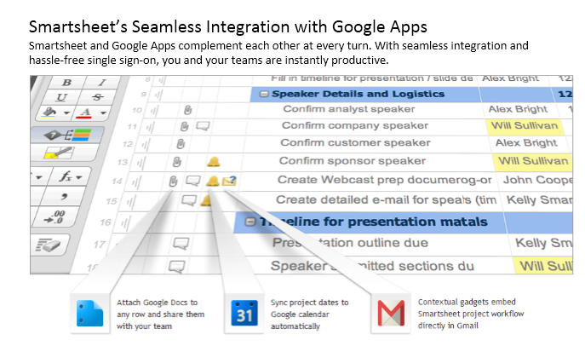
My Monthly Budget

INCOME | Amount | Date Expected
Pay period 1 | $1,500.00 | 13/4/2013
Pay period 2 | $1,500.00 | 13/18/2013
Extra income | $420.00 | 13/7/2013
Total Monthly Income | $3,420.00
Total Monthly Expenses | $2,527.00
Total Paid This Month | $1,672.00
Total Outstanding | $875.00

Housing Expenses | Amount | Due Date | Payment Amount | Date Paid
Mortgage or rent | 800 | 13/1/2013 | $800.00 | 2013-10-30
Second mortgage or rent | 0 |  | $0.00
Phone | 80 | 2013-10-25 | $0.00
Electricity | 50 | 2013-10-10 | $0.00
Water and sewer | 80 | 2013-11-01 | $80.00 | 2013-10-28
Cable | 40 | 2013-10-31 | $0.00
Waste removal | 12 | 2013-10-29 | $12.00 | 2013-10-21
Other | 0 |  | $0.00
Total Housing Expenses | $1,062.00 |  | $892.00

Other Bills | Amount | Due Date | Payment Amount | Date Paid
Truck Payment | $380.00 | 2013-11-10 | $400.00 | 2013-10-30
Car Payment | $0.00 | 2013-08-29 | $0.00
Insurance | $130.00 | 2013-11-13 | $0.00
Credit Card | $50.00 | 2013-10-26 | $0.00
Target Card | $150.00 | 2013-11-30 | $0.00
Sprint Bill | $0.00 | 2013-11-27 | $0.00
Student Loans 1 | $125.00 | 2013-09-29 | $0.00
Student Loans 2 | $50.00 | 2013-11-20 | $0.00
Total Monthly Bills | $865.00 |  | $0.00

Food / Entertainment | Budgeted Amount |  | Actual Amount | Notes
Groceries | $400.00 |  | $520.00
Dining out | $100.00 |  | $80.00
Other | $50.00 |  | $120.00
Other | $50.00 |  | $60.00
Total Food/Entertainment | $600.00 |  | $780.00

Other | Budgeted Amount |  | Actual Amount | Notes

For a similar spreadsheet-oriented project tracking approach that is seamless and easy to use, try Smartsheet/ Plus, enjoy capabilities like: • Use Gantt charts to visually track the course of a project, starting from a firm deadline. • Collaborate with team members to manage tasks. • Include discussions and uploaded files on each row. ... plus much more. Follow the link below: |  | Or, if your company uses Google Apps, your Google Apps Domain Admin can install Smartsheet into your Google Apps:
http://www.smartsheet.com/template-gallery/specialty&s=56&c=60&m=5602 |  | https://www.google.com/enterprise/marketplace/viewListing?productListingId=3429+4388443950638085375&s=56&c=60&m=5602pli=1

